QB
Question BanK
Program | B.Tech Civil Engineering | Sem | 6th
S. Name | Structural Analysis II | Code | CVE601-22
Emp Code | 17632 | Name | Ms. Jaspreet kaur
Q.No. | Question Title | Marks | Answer Limit (words) | Unit | Type | CO | RBT | Section A | Remarks/Guidelines
1 | What is a statically indeterminate structure? | 1 | 30-50 | Unit - I | Easy | CO1 | Understand | Section A
2 | Define static indeterminacy in a structure. | 1 | 30-50 | Unit - I | Easy | CO1 | Understand | Section A
3 | State the principle of superposition. | 1 | 30-50 | Unit - I | Easy | CO1 | Understand | Section A
4 | What is kinematic indeterminacy in structural analysis? | 1 | 30-50 | Unit - I | Easy | CO1 | Understand | Section A
5 | Define the equation of equilibrium in structural analysis. | 1 | 30-50 | Unit - I | Easy | CO1 | Understand | Section A
6 | What is the significance of compatibility equations in structural analysis? | 1 | 30-50 | Unit - I | Easy | CO1 | Understand | Section A
7 | State Muller Breslau’s Principle. | 1 | 30-50 | Unit - I | Easy | CO1 | Understand | Section A
8 | Define support reaction. | 1 | 30-50 | Unit - I | Easy | CO1 | Understand | Section A
9 | Degree of static indeterminacy of rigid jointed plane frame is…............... | 1 | 30-50 | Unit - I | Easy | CO1 | Understand | Section A
10 | Degree of static indeterminacy of rigid jointed space frame is …............... | 1 | 30-50 | Unit - I | Easy | CO1 | Understand | Section A
11 | Degree of static indeterminacy of pin jointed space frame is …............... | 1 | 30-50 | Unit - I | Easy | CO1 | Understand | Section A
12 | In the displacement method of structural analysis, the basic unknowns are….............. | 1 | 30-50 | Unit - I | Easy | CO1 | Understand | Section A
13 | Statically indeterminate structure requires _______ | 1 | 30-51 | Unit - I | Easy | CO1 | Understand | Section A
14 | Degree of static indeterminacy of pin jointed planee frame is …............... | 1 | 30-50 | Unit - I | Easy | CO1 | Understand | Section A
15 | What is a statically determinate structure? | 1 | 30-50 | Unit - I | Easy | CO1 | Understand | Section A
16 | What is a kinematic determinate structure? | 1 | 30-50 | Unit - I | Easy | CO1 | Understand | Section A
17 | Defien degree of freedom | 1 | 30-50 | Unit - I | Easy | CO1 | Understand | Section A
18 | What is the Method of Consistent Deformation? | 1 | 30-50 | Unit - II | Easy | CO2 | Understand | Section A
19 | State Clapeyron’s Three Moment Theorem. | 1 | 30-50 | Unit - II | Easy | CO2 | Understand | Section A
20 | What is the difference between fixed and continuous beams? | 1 | 30-50 | Unit - II | Easy | CO2 | Understand | Section A
21 | Define sinking of support in structural analysis. | 1 | 30-50 | Unit - II | Easy | CO2 | Understand | Section A
22 | What is meant by lack of fit in a structural member? | 1 | 30-50 | Unit - II | Easy | CO2 | Understand | Section A
23 | What happens if a support in a continuous beam undergoes settlement? | 1 | 30-50 | Unit - II | Easy | CO2 | Understand | Section A
24 | State any one assumption made in the Three Moment Theorem. | 1 | 30-50 | Unit - II | Easy | CO2 | Understand | Section A
25 | What is meant by redundant forces in the consistent deformation method? | 1 | 30-50 | Unit - II | Easy | CO2 | Understand | Section A
26 | What are the boundary conditions for a fixed beam? | 1 | 30-50 | Unit - II | Easy | CO2 | Understand | Section A
27 | How does support rotation affect the internal forces of a beam? | 1 | 30-50 | Unit - II | Easy | CO2 | Understand | Section A
28 | What is the Slope-Deflection Method? | 1 | 30-50 | Unit - III | Easy | CO3 | Understand | Section A
29 | Write the general slope-deflection equation. | 1 | 30-50 | Unit - III | Easy | CO3 | Understand | Section A
30 | Define a statically indeterminate beam. | 1 | 30-50 | Unit - III | Easy | CO3 | Understand | Section A
31 | What is a sway frame? | 1 | 30-50 | Unit - III | Easy | CO3 | Understand | Section A
32 | What is a non-sway frame? | 1 | 30-50 | Unit - III | Easy | CO3 | Understand | Section A
33 | What are the boundary conditions for a fixed beam? | 1 | 30-50 | Unit - III | Easy | CO3 | Understand | Section A
34 | The number of independent equations to be satisfied for static equilibrium in a space structure is ….............. | 2 | 30-51 | Unit - III | Easy | CO3 | Understand | Section A
35 | What is the difference between kinematic and static indeterminacy? | 1 | 30-50 | Unit - III | Easy | CO3 | Understand | Section A
36 | What is meant by carry-over moment in slope-deflection analysis? | 1 | 30-50 | Unit - III | Easy | CO3 | Understand | Section A
37 | What is the effect of uneven support settlements on a continuous beam? | 1 | 30-50 | Unit - III | Easy | CO3 | Understand | Section A
38 | State one assumption made in the slope-deflection method. | 1 | 30-50 | Unit - III | Easy | CO3 | Understand | Section A
39 | Write the slope-deflection equation for simply suppported beam. | 1 | 30-50 | Unit - III | Easy | CO3 | Understand | Section A
40 | While using slope deflection method, in which direction is the moment taken as positive? | 2 | 30-51 | Unit - III | Easy | CO3 | Understand | Section A
41 | Write the slope-deflection equation for overhanging beam. | 1 | 30-50 | Unit - III | Easy | CO3 | Understand | Section A
42 | Define fixed end moment (FEM). | 1 | 30-50 | Unit - III | Easy | CO3 | Understand | Section A
43 | Define stiffness in structural analysis. | 1 | 30-50 | Unit - IV | Easy | CO3 | Understand | Section A
44 | What is absolute stiffness of a member? | 1 | 30-50 | Unit - IV | Easy | CO3 | Understand | Section A
45 | What is relative stiffness of a member? | 1 | 30-50 | Unit - IV | Easy | CO3 | Understand | Section A
46 | Define carry-over factor. | 1 | 30-50 | Unit - IV | Easy | CO3 | Understand | Section A
47 | Carryover Moment is defined as ______ | 1 | 30-51 | Unit - IV | Easy | CO3 | Understand | Section A
48 | What is a distribution factor in the moment distribution method? | 1 | 30-50 | Unit - IV | Easy | CO3 | Understand | Section A
49 | What is the significance of carry-over factors in structural analysis? | 1 | 30-50 | Unit - IV | Easy | CO3 | Understand | Section A
50 | What is a sway frame? | 1 | 30-50 | Unit - IV | Easy | CO3 | Understand | Section A
51 | What are the assumptions made in the moment distribution method? | 1 | 30-50 | Unit - IV | Easy | CO3 | Understand | Section A
52 | How does uneven support settlement affect a continuous beam? | 1 | 30-50 | Unit - IV | Easy | CO3 | Understand | Section A
53 | In moment distribution method, the sum of all distribution factors of all members meeting at any joint is always …............... | 1 | 30-50 | Unit - IV | Easy | CO3 | Understand | Section A
54 | Define rotation factor in structural analysis. | 1 | 30-50 | Unit - V | Easy | CO3 | Understand | Section A
55 | What is the Portal Method in structural analysis? | 1 | 30-50 | Unit - V | Easy | CO3 | Understand | Section A
56 | What is the Cantilever Method used for? | 1 | 30-50 | Unit - V | Easy | CO3 | Understand | Section A
57 | What is the Substitute Frame Method? | 1 | 30-50 | Unit - V | Easy | CO3 | Understand | Section A
58 | What are the assumptions in the Portal Method? | 1 | 30-50 | Unit - V | Easy | CO3 | Apply | Section A
59 | How does the Cantilever Method approximate the analysis of multi-storied frames? | 1 | 30-50 | Unit - V | Easy | CO3 | Understand | Section A
60 | State the basic concept of moment distribution. | 1 | 30-50 | Unit - V | Easy | CO3 | Understand | Section A
61 | Define a multi-storied frame. | 1 | 30-50 | Unit - V | Easy | CO3 | Understand | Section A
62 | What is the effect of uneven support settlement in continuous beams? | 1 | 30-50 | Unit - V | Easy | CO3 | Understand | Section A
63 | What are the assumptions in the Substitute Frame Method? | 1 | 30-50 | Unit - V | Easy | CO3 | Understand | Section A
64 | What is the relation between shear carried by interior and exterior columns of a bent? | 1 | 30-50 | Unit - V | Easy | CO3 | Understand | Section A
65 | Where is inflection point in girder assumed in building fames while using portal method? | 1 | 30-50 | Unit - V | Easy | CO3 | Understand | Section A
66 | In rotation Contriution method, Storey Moment (M)due to storey shear (S) is calculated by expession …............... | 1 | 30-50 | Unit - V | Easy | CO3 | Understand | Section A
67 | Portal method is more suitable for building having …................ | 1 | 30-50 | Unit - V | Easy | CO3 | Understand | Section A
68 | How many compatibility equations should be written if we have n no. of redundant reactions? | 1 | 30-50 | Unit - V | Easy | CO3 | Understand | Section A
69 | Where does neutral axis of column lie? | 1 | 30-50 | Unit - V | Easy | CO3 | Understand | Section A
70 | Define strain energy in structural analysis. | 1 | 30-50 | Unit - VI | Easy | CO4 | Understand | Section A
71 | State the law of reciprocal deflections. | 1 | 30-50 | Unit - VI | Easy | CO4 | Understand | Section A
72 | What is Castigliano’s First Theorem? | 1 | 30-50 | Unit - VI | Easy | CO4 | Understand | Section A
73 | What is Castigliano’s Second Theorem? | 1 | 30-50 | Unit - VI | Easy | CO4 | Understand | Section A
74 | Define minimum strain energy principle. | 1 | 30-50 | Unit - VI | Easy | CO4 | Understand | Section A
75 | What is the unit of strain energy? | 1 | 30-50 | Unit - VI | Easy | CO4 | Apply | Section A
76 | Write the expression for strain energy due to axial loading. | 1 | 30-50 | Unit - VI | Easy | CO4 | Apply | Section A
77 | How is strain energy stored in a beam subjected to bending? | 1 | 30-50 | Unit - VI | Easy | CO4 | Apply | Section A
78 | What is meant by a redundant force in a statically indeterminate structure? | 1 | 30-50 | Unit - VI | Easy | CO4 | Apply | Section A
79 | What is the basic assumption of Castigliano’s theorems? | 1 | 30-50 | Unit - VI | Easy | CO4 | Apply | Section A
80 | State law of reciprocal deflection. | 1 | 30-50 | Unit - VI | Easy | CO4 | Understand | Section A
81 | Define stability of structure. | 2 | 50-100 | Unit - I | Moderate | CO1 | Understand | Section B
82 | Differentiate between static and kinematic indeterminacy. | 2 | 50-100 | Unit - I | Moderate | CO1 | Understand | Section B
83 | Explain the term "equation of equilibrium" with respect to statically indeterminate structures. | 2 | 50-100 | Unit - I | Moderate | CO1 | Understand | Section B
84 | Describe the principle of superposition and its application in structural analysis. | 2 | 50-100 | Unit - I | Moderate | CO1 | Understand | Section B
85 | What are influence lines, and how are they used for indeterminate structures? | 2 | 50-100 | Unit - I | Moderate | CO1 | Understand | Section B
86 | Explain the concept of compatibility equations and their importance in solving indeterminate structures. | 2 | 50-100 | Unit - I | Moderate | CO1 | Understand | Section B
87 | Write the general form of the equation of equilibrium for a statically indeterminate structure. | 2 | 50-100 | Unit - I | Moderate | CO1 | Understand | Section B
88 | Explain Muller Breslau's Principle with an example of its application to an indeterminate structure. | 2 | 50-100 | Unit - I | Moderate | CO1 | Understand | Section B
89 | Determine the degree of static indeterminacy of pin jointed plane frame as shown in fig: | 2 | 50-100 | Unit - II | Moderate | CO2 | Understand | Section B
90 | What do you mean by Structure & structural Analysis? | 2 | 50-100 | Unit - II | Moderate | CO2 | Understand | Section B
91 | Differentiate between Force method & Displacement method. | 2 | 50-100 | Unit - II | Moderate | CO2 | Understand | Section B
92 | 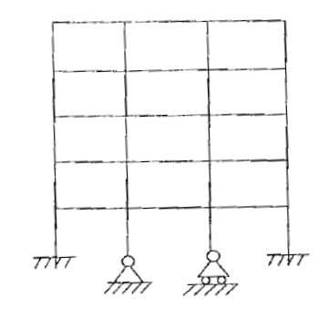 Determine the degree of static indeterminacy of rigid jointed plane frame as shown in fig: | 2 | 50-100 | Unit - II | Moderate | CO2 | Understand | Section B
93 | Write three moment theorem equation for UDL loading. | 2 | 50-100 | Unit - II | Moderate | CO2 | Understand | Section B
94 | Write the assumptions of Slope Deflection Method. | 2 | 50-100 | Unit - III | Moderate | CO3 | Understand | Section B
95 | Write the Slope deflection equations for fixed beam, simple supported beam, Overhanging beam. | 2 | 50-100 | Unit - III | Moderate | CO3 | Understand | Section B
 | Write the expression for stiffness (k) for a simply supported beam and a fixed beam. | 2 | 50-100 | Unit - III | Moderate | CO3 | Understand | Section B
97 | Differentiate between absolute stiffness and relative stiffness. | 2 | 50-100 | Unit - III | Moderate | CO3 | Understand | Section B
98 | What are the effects of support settlement in continuous beams? | 2 | 50-100 | Unit - III | Moderate | CO3 | Understand | Section B
99 | A beam of length L is fixed at one end and free at the other. Write the formula for its stiffness at the fixed end. | 2 | 50-100 | Unit - III | Moderate | CO3 | Understand | Section B
100 | Define moment distribution theorem. | 2 | 50-100 | Unit - IV | Moderate | CO3 | Understand | Section B
101 | Define carry over moment. | 2 | 50-100 | Unit - IV | Moderate | CO3 | Understand | Section B
102 | Define carry-over factor and its significance in the moment distribution method. | 2 | 50-100 | Unit - IV | Moderate | CO3 | Understand | Section B
103 | Explain the concept of distribution factors with respect to a continuous beam. | 2 | 50-100 | Unit - IV | Moderate | CO3 | Understand | Section B
104 | How does sway occur in rigid frames? | 2 | 50-100 | Unit - IV | Moderate | CO3 | Understand | Section B
105 | Explain the rotation factor used in the moment distribution method. | 2 | 50-100 | Unit - V | Moderate | CO3 | Understand | Section B
106 | Differentiate between the Portal Method and Cantilever Method. | 2 | 50-100 | Unit - V | Moderate | CO3 | Understand | Section B
107 | What is the significance of the Substitute Frame Method? | 2 | 50-100 | Unit - V | Moderate | CO3 | Understand | Section B
108 | A continuous beam of two spans (5 m each) carries a UDL of 6 kN/m. What is the approximate bending moment at the central support? | 2 | 50-100 | Unit - V | Moderate | CO3 | Understand | Section B
109 | What is the load distribution assumption in the Portal Method? | 2 | 50-100 | Unit - V | Moderate | CO3 | Understand | Section B
110 | Explain why the Cantilever Method is useful for tall buildings. | 2 | 50-100 | Unit - V | Moderate | CO3 | Understand | Section B
111 | Write the equilibrium equations used in the Portal Method. | 2 | 50-100 | Unit - V | Moderate | CO3 | Understand | Section B
112 | What is the advantage of the Substitute Frame Method over the Portal Method? | 2 | 50-100 | Unit - V | Moderate | CO3 | Understand | Section B
113 | In the Portal Method, which columns take more force in a multi-story building? | 2 | 50-100 | Unit - V | Moderate | CO3 | Understand | Section B
114 | Write down the assumptions of Cantilever method. | 2 | 50-100 | Unit - IV | Moderate | CO3 | Understand | Section B
115 | Define rotation contribution factor. | 2 | 50-100 | Unit - V | Moderate | CO3 | Understand | Section B
116 | Write the assumptions used in Kani’s Method. | 2 | 50-100 | Unit - V | Moderate | CO3 | Understand | Section B
117 | Derive the expression for strain energy in a bar subjected to axial loading. | 2 | 50-100 | Unit - VI | Moderate | CO4 | Understand | Section B
118 | State Castigliano’s First Theorem and its significance in structural analysis. | 2 | 50-100 | Unit - VI | Moderate | CO4 | Understand | Section B
119 | What is the difference between Castigliano’s First and Second Theorem? | 2 | 50-100 | Unit - VI | Moderate | CO4 | Understand | Section B
120 | Explain the principle of minimum strain energy. | 2 | 50-100 | Unit - VI | Moderate | CO4 | Apply | Section B
121 | A simply supported beam of span 4 m carries a point load of 10 kN at midspan. Find the strain energy stored in the beam (EI is constant). | 2 | 50-100 | Unit - VI | Moderate | CO4 | Understand | Section B
122 | Explain the law of reciprocal deflections with an example. | 2 | 50-100 | Unit - VI | Moderate | CO4 | Understand | Section B
123 | What is the significance of Castigliano’s Theorem in statically indeterminate structures? | 2 | 50-100 | Unit - VI | Moderate | CO4 | Understand | Section B
124 | Write the formula for strain energy due to bending moment. | 2 | 50-100 | Unit - VI | Moderate | CO4 | Understand | Section B
125 | How does Castigliano’s theorem help in determining beam deflections? | 2 | 50-100 | Unit - VI | Moderate | CO4 | Understand | Section B
126 | What is the strain energy method used for in structural analysis? | 2 | 50-100 | Unit - VI | Moderate | CO4 | Understand | Section B
127 | Define Betti’s law. | 2 | 50-100 | Unit - VI | Moderate | CO4 | Apply | Section B
128 | Define Maxwell Reciprocal Theorem. | 2 | 50-100 | Unit - VI | Moderate | CO4 | Understand | Section B
129 | Define Castigliano’s Theorem. | 2 | 50-100 | Unit - VI | Moderate | CO4 | Apply | Section B
130 | Define Strain Energy. | 2 | 50-100 | Unit - VI | Moderate | CO4 | Understand | Section B
131 | What are statically indeterminate structures? What is degree of static indeterminacy? Explain in detail about indeterminacy of rigid jointed and pin jointed frames. | 5 | 250-300 | Unit - I | Moderate | CO1 | Apply | Section C
132 | What are kinematically indeterminate structures? What is degree of freedom? Explain in detail about indeterminacy of rigid jointed and pin jointed frames. | 5 | 250-300 | Unit - I | Moderate | CO1 | Understand | Section C
133 | Determine the support moments and reactions at supports for continuous beam as shown in figure by three moment theroem if the supports B & C sink by 2 mm and 7 mm respectively. Take Iab = 2 X 107 mm4 and Icd = 4 X 107 mm4 and E = 200 KN/mm2. | 5 | 250-300 | Unit - II | Moderate | CO2 | Understand | Section C
134 | Analyse the continuous beam by three moment theorem. | 5 | 250-300 | Unit - II | Moderate | CO2 | Understand | Section C
135 | Analyse the beam using Three Moment Theorem. | 5 | 250-300 | Unit - II | Moderate | CO2 | Understand | Section C
136 | A continuous beam with two equal spans of 5 m each carries a point load of 15 kN at midspan of each span. If the intermediate support sinks by 10 mm, calculate the bending moment at the support using the Three Moment Theorem. Assume EI = constant. | 5 | 250-300 | Unit - II | Moderate | CO2 | Understand | Section C
137 | A continuous beam is fixed at A and is carried over rollers at B and C span . Span AB = BC = 12 meter It carries a UDL of 3KN/m over span AB and a point load of 24 KN on span BC at a distance of 4 meter from support B which sinks 30 mm. Take E and I = 200 GPA and 0.2 X 109 mm4 respectively. Calculate the support movement and draw bending moment diagram using three moment theorem | 5 | 250-300 | Unit - II | Moderate | CO2 | Understand | Section C
138 | Analyze the continuous beam as shown in figure by three moment theorem. | 5 | 250-300 | Unit - II | Moderate | CO2 | Understand | Section C
139 | Find the moments at the supports for the continuous beam as shown in figure by Three Moment Theorem. Draw BM diagram for the beam. | 5 | 250-300 | Unit - II | Moderate | CO2 | Understand | Section C
140 | Analyse the beam by Three Moment Theorem | 5 | 250-300 | Unit - II | Moderate | CO2 | Understand | Section C
141 | Determine the support moment by slope distribution method and draw BM diagram for the continuous beam as shown in figure, if the support B and C sink by 2mm and 7mm respectively. Take Iab = 2 X 107 mm4 and Icd = 4 X 107 mm2 and E = 200 KN/mm2. | 5 | 250-300 | Unit - III | Moderate | CO3 | Understand | Section C
142 | Determine the moments at supports of continuous beam using Slope Deflection Method. Also draw BM diagram. | 5 | 250-300 | Unit - III | Moderate | CO3 | Understand | Section C
143 | Analyze the beam as shown in figure by Slope Deflection method. | 5 | 250-300 | Unit - III | Moderate | CO3 | Understand | Section C
144 | Determine the support moment and draw BM diagram for the continuous beam as shown in figure , if the support B and C sink by 2 mm and 7 mm respectively. Take I= 2.50 X 107 mm4 and E = 200 KN/mm2. | 5 | 250-300 | Unit - III | Moderate | CO3 | Understand | Section C
145 | Find the moments at the supports for the continuous beam as shown in figure by Slope Deflection Method. Draw BM diagram for the beam. | 5 | 250-300 | Unit - III | Difficult | CO3 | Apply | Section C
146 | Analyze the continuous beam as shown in figure by Slope Deflection Method. | 5 | 250-300 | Unit - III | Difficult | CO3 | Apply | Section C
147 | Calculate the support moment for the continuous beam ABCD if the support B sink by 2.5 mm. The span AB carries UDL of 40 KN/m over a length of 3m. The span BC carries a point load of 100 KN at mid span having length 2 meter and span CD carries a UDL of 50 KN/m over a span of 3 m. For all the members Take I = 3.5 X 107 mm 4 and E = 200 KN/mm2 Use Slope Deflection method. | 5 | 250-300 | Unit - IV | Difficult | CO3 | Understand | Section C
148 | A continuous beam is fixed at A and is carried over rollers at B and C span . Span AB = BC = 12 meter It carries a UDL of 3KN/m over span AB and a point load of 24 KN on span BC at a distance of 4 meter from support B which sinks 30 mm. Take E and I = 200 GPA and 0.2 X 109 mm4 respectively. Calculate the support movement and draw bending moment diagram using Slope Deflection Method. | 5 | 250-300 | Unit - IV | Difficult | CO3 | Understand | Section C
149 | Figure shows a continuous beam ABCD. Find the moments at A, B, C and D if end A rotates by 0.002 radian in clockwise order and if support B sinks by 4mm. Take E= 200 KN/mm2 and I = 9 X 107 mm4. | 5 | 250-300 | Unit - IV | Difficult | CO3 | Understand | Section C
150 | Determine the moments at supports of continuous beam using Moment Distribution Method. Also draw BM diagram. | 5 | 250-300 | Unit - IV | Difficult | CO3 | Evaluate | Section C
151 | Analyze the beam as shown in figure by Moment Distribution method. | 5 | 250-300 | Unit - IV | Difficult | CO3 | Evaluate | Section C
152 | Analyse the beam by moment distribution method as shown in figure . | 5 | 250-300 | Unit - IV | Difficult | CO3 | Evaluate | Section C
153 | Find the support moments for the continuous beam as shown in figure by moment distribution method. | 5 | 250-300 | Unit - IV | Difficult | CO3 | Evaluate | Section C
154 | A continuous beam ABC has spans: AB = 4 m, BC = 5 m A uniformly distributed load (UDL) of 6 kN/m acts over AB. A point load of 10 kN is applied at midspan of BC. Using the moment distribution method, determine: a) The bending moment at support B. b) The distribution factors for each span. | 5 | 250-300 | Unit - V | Difficult | CO3 | Evaluate | Section C
155 | Analyse the beam using moment distribution method. | 5 | 250-300 | Unit - V | Difficult | CO3 | Evaluate | Section C
156 | Calculate the support moment for the continuous beam ABCD if the support B sink by 2.5 mm. The span AB carries UDL of 40 KN/m over a length of 3m. The span BC carries a point load of 100 KN at mid span having length 2 meter and span CD carries a UDL of 50 KN/m over a span of 3 m. For all the members Take I = 3.5 X 107 mm 4 and E = 200 KN/mm2 Use Rotation Contribution method. | 5 | 250-300 | Unit - IV | Difficult | CO3 | Evaluate | Section C
157 | Analyse the beam using Rotation Contribution method. | 5 | 250-300 | Unit - V | Difficult | CO3 | Understand | Section C
158 | Find the support moments for the continuous beam as shown in figure by Rotation Contribution method. | 5 | 250-300 | Unit - V | Difficult | CO3 | Understand | Section C
159 | Determine the support moments and reactions at supports for continuous beam as shown in figure by rotation contribution method if the supports B & C sink by 2 mm and 7 mm respectively. Take Iab = 2 X 107 mm4 and Icd = 4 X 107 mm4 and E = 200 KN/mm2. | 5 | 250-300 | Unit - V | Difficult | CO3 | Evaluate | Section C
160 | A four-story frame is subjected to a lateral wind force of 10 kN at each floor level. The column heights are 4 m per story. Using the Cantilever Method, determine: a) The shear force in the first-floor columns. b) The bending moments in the base of the columns. | 5 | 250-300 | Unit - V | Difficult | CO3 | Evaluate | Section C
161 | A four-story frame is subjected to a lateral wind force of 10 kN at each floor level. The column heights are 4 m per story. Using the Portal Method, determine: a) The shear force in the first-floor columns. b) The bending moments in the base of the columns. | 5 | 250-300 | Unit - VI | Difficult | CO4 | Evaluate | Section C
162 | A steel bar of length 3 m and cross-sectional area 400 mm² is subjected to an axial force of 50 kN. Young’s modulus (E) = 200 GPa. Determine the strain energy stored in the bar. | 5 | 250-300 | Unit - VI | Difficult | CO4 | Understand | Section C
163 | A simply supported beam of span 5 m carries a point load of 20 kN at midspan. Flexural Rigidity (EI) = 5000 kNm². Determine the strain energy stored in the beam using the bending moment formula. | 5 | 250-300 | Unit - VI | Difficult | CO4 | Evaluate | Section C
164 | A simply supported beam of span 8 m carries a point load of 50 kN at 3 m from the left support. Using Castigliano’s First Theorem, determine: a) The deflection at the point of the applied load. b) The slope at the left support. (Take EI = 5000 kNm².) | 5 | 250-300 | Unit - VI | Difficult | CO4 | Evaluate | Section C
165 | A continuous beam ABC has spans: AB = 4 m, BC = 5 m. A point load of 25 kN at midspan of both spans. Using Castigliano’s Theorem, determine: The bending moment at support B. The deflection at midspan of both spans. | 5 | 250-300 | Unit - VI | Difficult | CO4 | Understand | Section C
166 | A propped cantilever beam of span 6 m carries a UDL of 8 kN/m over the entire span. Using the Minimum Strain Energy Principle, determine: The reaction at the propped support. The bending moments along the beam. | 5 | 250-300 | Unit - VI | Difficult | CO4 | Understand | Section C
167 | 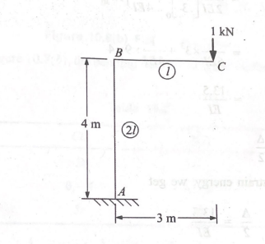 Determine the vertical deflection of point C in the frame as shown in figure. Given E= 200 KN/m2 and I = 30x 106 mm4 | 5 | 250-300 | Unit - VI | Difficult | CO4 | Understand | Section C
168 | Calculate the deflection under 60KN Loadin the beam as shown in figure. | 5 | 250-300 | Unit - VI | Difficult | CO4 | Understand | Section C
169 | Explain in detail: (a) Static determinacy & indeterminacy of structures (b)Kinematic determinacy & indeterminacy of structures (c) Degree of Static Indeterminancy (d) Degree of freedom | 10 | 500-600 | Unit - I | Difficult | CO1 | Understand | Section D
170 | Derive the influence line for a continuous beam using Muller Breslau’s principle and explain the significance of the influence line in practical applications. | 10 | 500-600 | Unit - I | Difficult | CO1 | Understand | Section D
171 | A rigid frame ABCD has: AB and CD are vertical columns of 4 m height. BC is a horizontal beam of 6 m length. A lateral force of 20 kN is applied at midspan of BC. Using the slope deflection method, determine: Moments at supports A and D. Bending moment at midspan of BC. | 10 | 500-600 | Unit - I | Difficult | CO1 | Understand | Section D
172 | 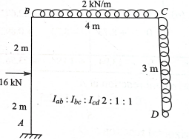 Analyse the frame as showm in figure by Slope Deflection Method | 10 | 500-600 | Unit - II | Difficult | CO2 | Understand | Section D
173 | 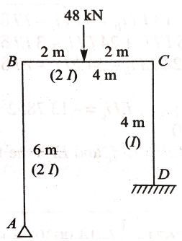 Analyse the frame as showm in figure by Slope Deflection Method. | 10 | 500-600 | Unit - II | Difficult | CO2 | Understand | Section D
174 | 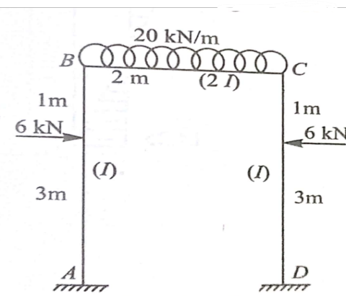 Analyse the frame shown in figure by Slope Deflection Method. | 10 | 500-600 | Unit - II | Difficult | CO2 | Understand | Section D
175 | 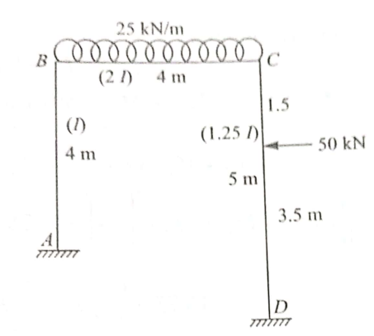 Analyse the frame shown in figure by Slope Deflection Method. | 10 | 500-600 | Unit - II | Difficult | CO2 | Understand | Section D
176 | 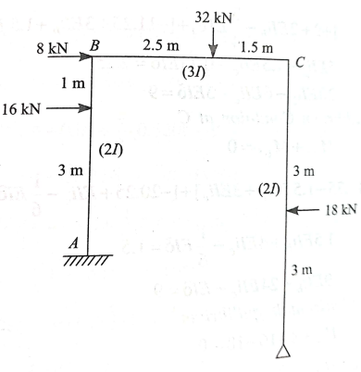 Analyze the frame as shown in figure by slope deflection method. | 10 | 500-600 | Unit - II | Difficult | CO2 | Understand | Section D
177 | Analyse the frame as showm in figure by Moment Distribution Method | 10 | 500-600 | Unit - III | Difficult | CO5 | Understand | Section D
178 | Analyse the frame as showm in figure by Moment Distribution Method | 10 | 500-600 | Unit - III | Difficult | CO5 | Understand | Section D
179 | Analyse the frame shown in figure by Moment Distribution Method. | 10 | 500-600 | Unit - III | Difficult | CO3 | Understand | Section D
180 | Analyse the frame shown in figure by Moment Distribution Method. | 10 | 500-600 | Unit - III | Difficult | CO3 | Understand | Section D
181 | Analyze the frame as shown in figure by Moment Distribution method. | 10 | 500-600 | Unit - IV | Difficult | CO3 | Evaluate | Section D
182 | Analyse the frame by Moment Distributuion method | 10 | 500-600 | Unit - IV | Difficult | CO3 | Evaluate | Section D
183 | Analyze the frame as shown in figure by Moment Distribution method. | 10 | 500-600 | Unit - IV | Difficult | CO3 | Evaluate | Section D
184 | A rigid frame ABCD has: AB and CD are vertical columns of 4 m height. BC is a horizontal beam of 6 m length. A lateral force of 20 kN is applied at midspan of BC. Using the moment distribution method, determine: Moments at supports A and D. Bending moment at midspan of BC. | 10 | 500-600 | Unit - IV | Difficult | CO3 | Evaluate | Section D
185 | Analyse the frame shown in figure by moment distribution method | 10 | 500-600 | Unit - IV | Difficult | CO3 | Evaluate | Section D
186 | Analyse the frame shown in figure by Rotation Contribution method | 10 | 500-600 | Unit - IV | Difficult | CO3 | Evaluate | Section D
187 | Analyze the frame as shown in figure by Rotation Contribution method. | 10 | 500-600 | Unit - V | Difficult | CO3 | Evaluate | Section D
188 | A rigid frame ABCD has: AB and CD are vertical columns of 4 m height. BC is a horizontal beam of 6 m length. A lateral force of 20 kN is applied at midspan of BC. Using the Rotation Contribution method, determine: Moments at supports A and D. Bending moment at midspan of BC. | 10 | 500-600 | Unit - V | Difficult | CO3 | Evaluate | Section D
189 | 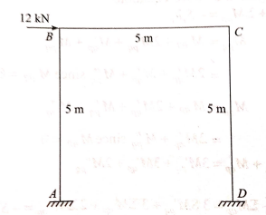 Analyze the frame by rotation contribution method. | 10 | 500-600 | Unit - V | Difficult | CO5 | Evaluate | Section D
190 | 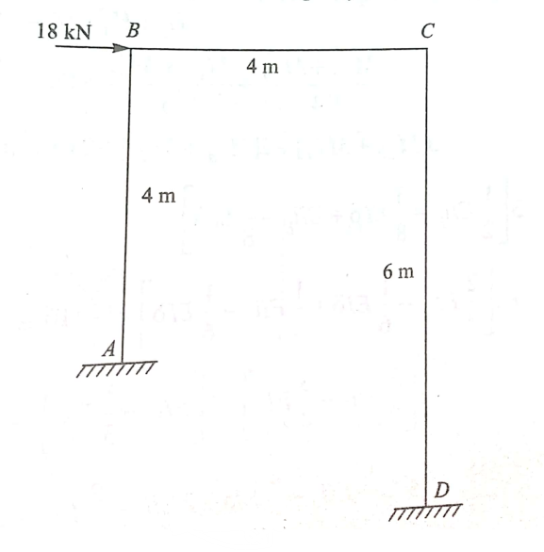 Analyse the frame by Rotation Contribution Method as shown in figure. | 10 | 500-600 | Unit - V | Difficult | CO5 | Evaluate | Section D
191 | 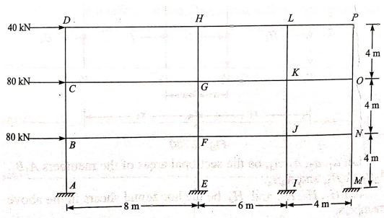 Analyze the frame as shown in figure by Cantilever method. | 10 | 500-600 | Unit - V | Difficult | CO5 | Evaluate | Section D
192 | Analyze the frame as shown in figure by Portal method. | 10 | 500-600 | Unit - V | Difficult | CO5 | Evaluate | Section D
193 | A three-story, three-bay portal frame is subjected to wind forces of 10 kN, 20 kN, and 30 kN at each story level. The columns are equally stiff, and the floor beams are rigidly connected. Using the Cantilever Method, determine: a) The distribution of lateral forces among columns. b) The bending moments at beam-column joints. c) The shear forces in the first-floor columns. | 10 | 500-600 | Unit - V | Difficult | CO5 | Evaluate | Section D
194 | A three-story, three-bay portal frame is subjected to wind forces of 10 kN, 20 kN, and 30 kN at each story level. The columns are equally stiff, and the floor beams are rigidly connected. Using the Portal Method, determine: a) The distribution of lateral forces among columns. b) The bending moments at beam-column joints. c) The shear forces in the first-floor columns. | 10 | 500-600 | Unit - V | Difficult | CO5 | Evaluate | Section D
195 | A three-story portal frame has equal story heights of 3 m. The frame is subjected to lateral forces of 15 kN, 25 kN, and 35 kN at each story level. The columns are of equal stiffness. Using the Portal Method, determine: a) Shear forces in all columns. b) Bending moments in beams. c) Base reactions at the foundation. | 10 | 500-600 | Unit - V | Difficult | CO5 | Evaluate | Section D
196 | 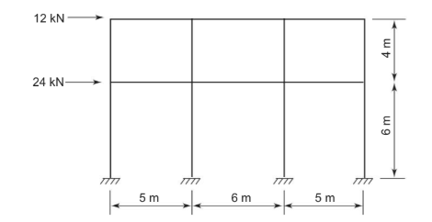 Analyse the frame by Portal Method as shown in figure. | 10 | 500-600 | Unit - V | Difficult | CO5 | Evaluate | Section D
197 | Analyse the frame by Cantilever Method as shown in figure. | 10 | 500-600 | Unit - V | Difficult | CO5 | Evaluate | Section D
198 | Explain in detail: (a) Principle of conservation of energy (b) Maxwell reciprocal theorem (c) Castigliano’s first & second theorem (d) Principle of virtual work | 10 | 500-600 | Unit - VI | Difficult | CO1 | Evaluate | Section D
199 | A two-bay, three-story portal frame is fixed at the base and subjected to horizontal wind loads at each floor level. The details of the frame are as follows: Given Data: Number of bays: 2 Number of stories: 3 Bay width: 6 m (each bay) Story height: 4 m (each story) Elastic modulus (E): Constant for all members Moment of inertia (I): Columns: 3I Beams: 2I Wind loads applied at different levels: At the top floor: 40 kN At the second floor: 30 kN At the first floor: 20 kN Required: Using the Substitute Frame Method, determine: a) Moments at the base of the columns. b) Moment distribution at the beam-column junctions. | 10 | 500-600 | Unit - VI | Difficult | CO5 | Evaluate | Section D
200 | A two-bay, three-story portal frame is fixed at the base and subjected to horizontal wind loads at each floor level. The details of the frame are as follows: Given Data: Number of bays: 2 Number of stories: 3 Bay width: 6 m (each bay) Story height: 4 m (each story) Elastic modulus (E): Constant for all members Moment of inertia (I): Columns: 3I Beams: 2I Wind loads applied at different levels: At the top floor: 40 kN At the second floor: 30 kN At the first floor: 20 kN Required: Using the Substitute Frame Method, determine Moment at mid span of beams. | 10 | 500-600 | Unit - VI | Difficult | CO5 | Evaluate | Section D

